Script
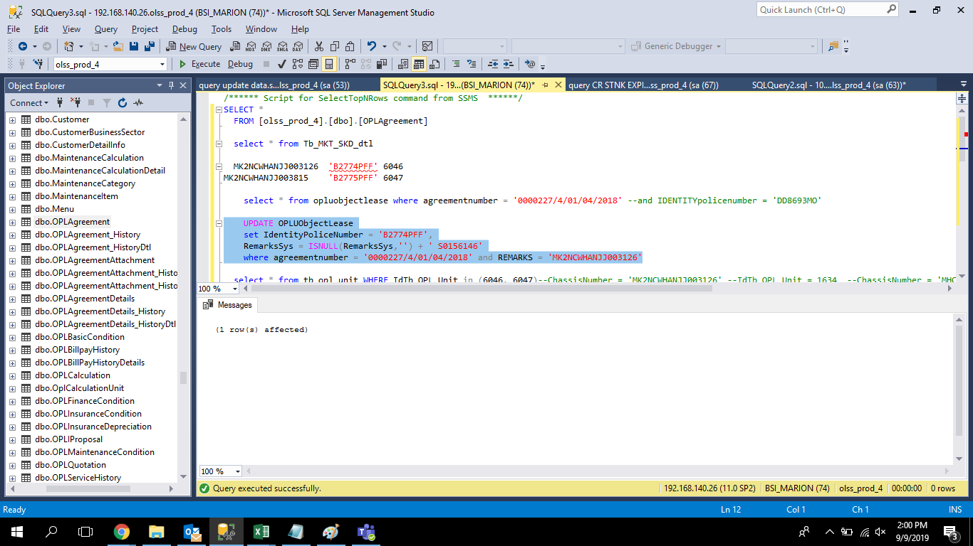
 | UPDATE OPLUObjectLease
 | set IdentityPoliceNumber = 'B2774PFF',
 | RemarksSys = ISNULL(RemarksSys,'') + ' S0156146'
 | where agreementnumber = '0000227/4/01/04/2018' and REMARKS = 'MK2NCWHANJJ003126'


 | UPDATE OPLUObjectLease
 | set IdentityPoliceNumber = 'B2775PFF',
 | RemarksSys = ISNULL(RemarksSys,'') + ' S0156146'
 | where agreementnumber = '0000227/4/01/04/2018' and REMARKS = 'MK2NCWHANJJ003815'

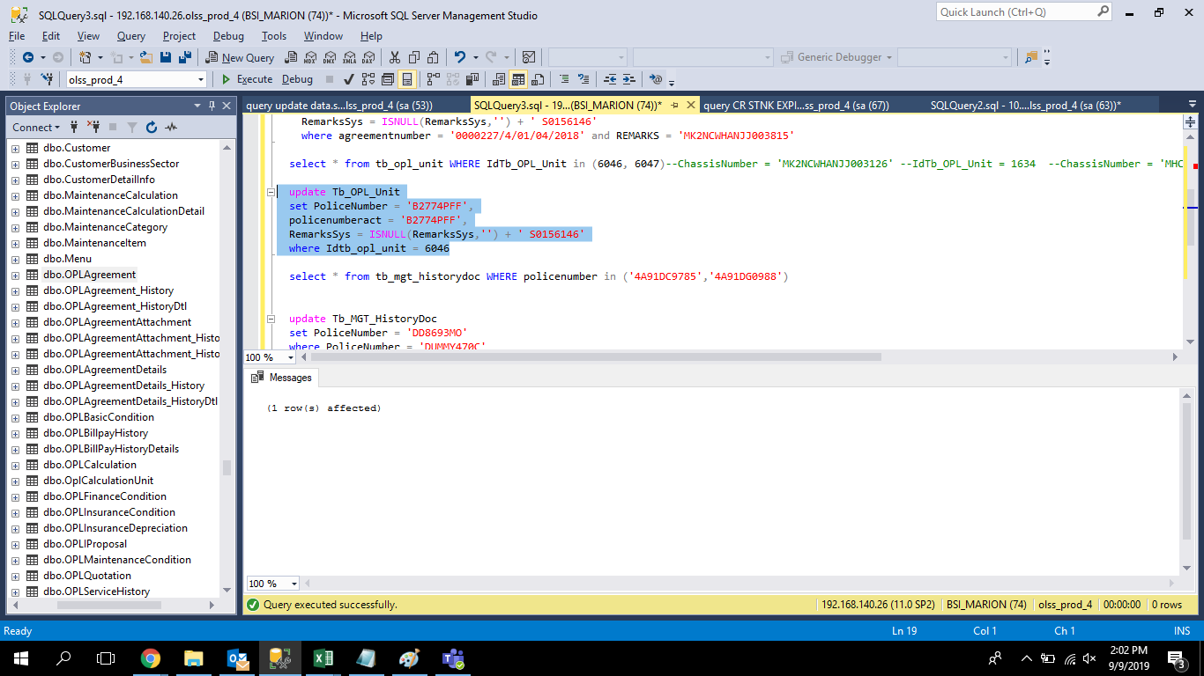
update Tb_OPL_Unit
set PoliceNumber = 'B2774PFF',
policenumberact = 'B2774PFF',
RemarksSys = ISNULL(RemarksSys,'') + ' S0156146'
where Idtb_opl_unit = 6046

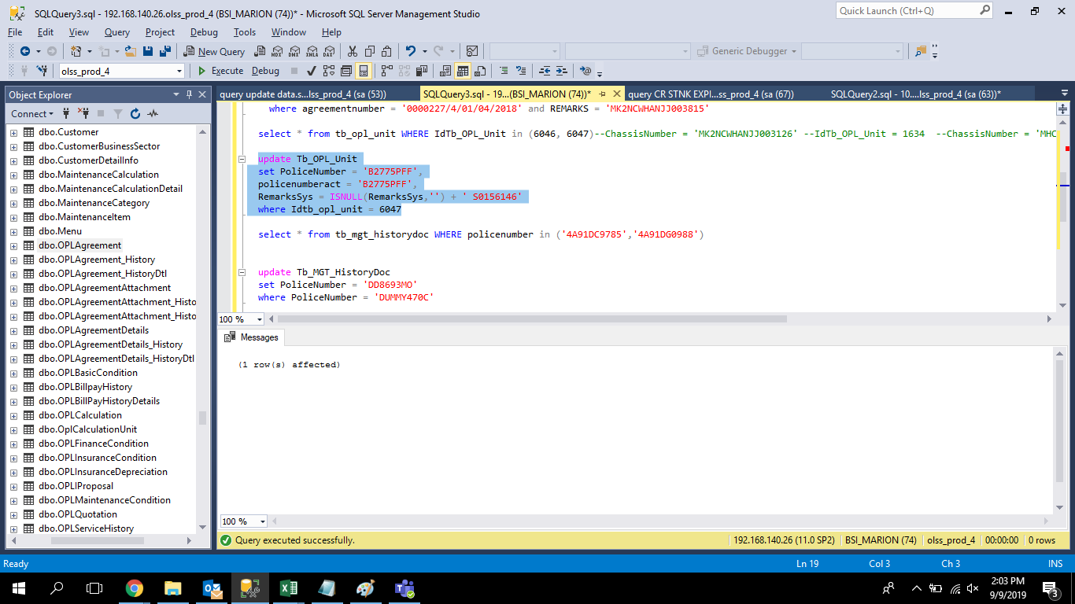
update Tb_OPL_Unit
set PoliceNumber = 'B2775PFF',
policenumberact = 'B2775PFF',
RemarksSys = ISNULL(RemarksSys,'') + ' S0156146'
where Idtb_opl_unit = 6047

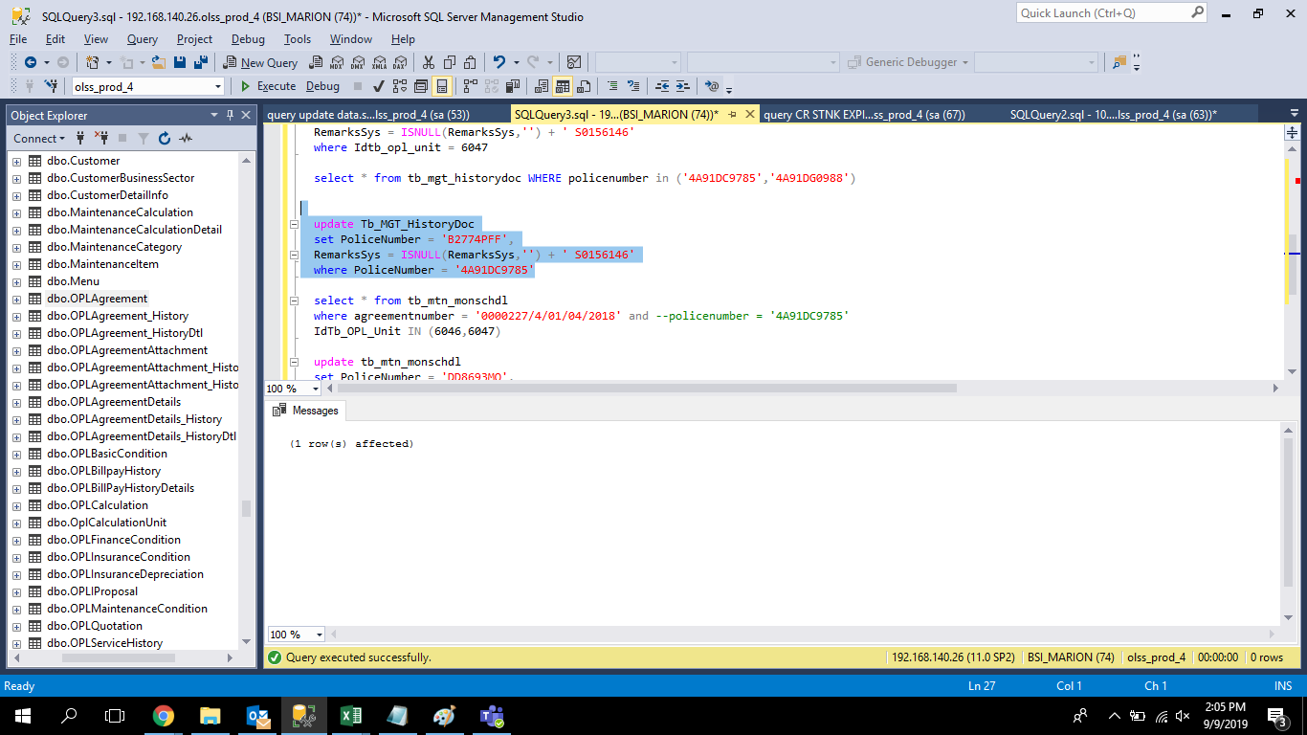
update Tb_MGT_HistoryDoc
set PoliceNumber = 'B2774PFF',
RemarksSys = ISNULL(RemarksSys,'') + ' S0156146'
where PoliceNumber = '4A91DC9785'

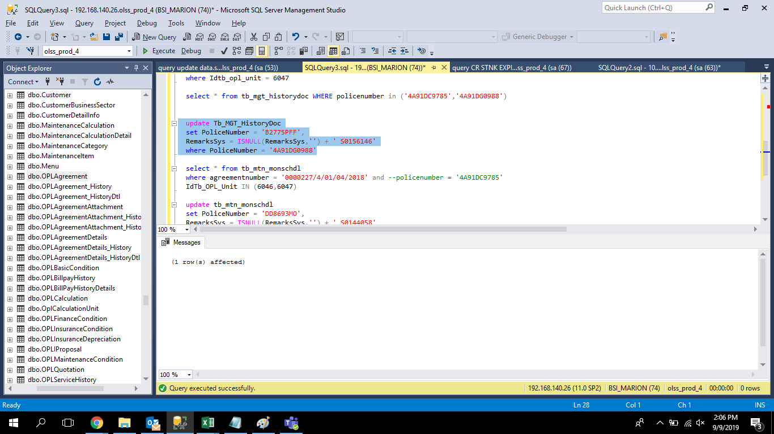
update Tb_MGT_HistoryDoc
set PoliceNumber = 'B2775PFF',
RemarksSys = ISNULL(RemarksSys,'') + ' S0156146'
where PoliceNumber = '4A91DG0988'

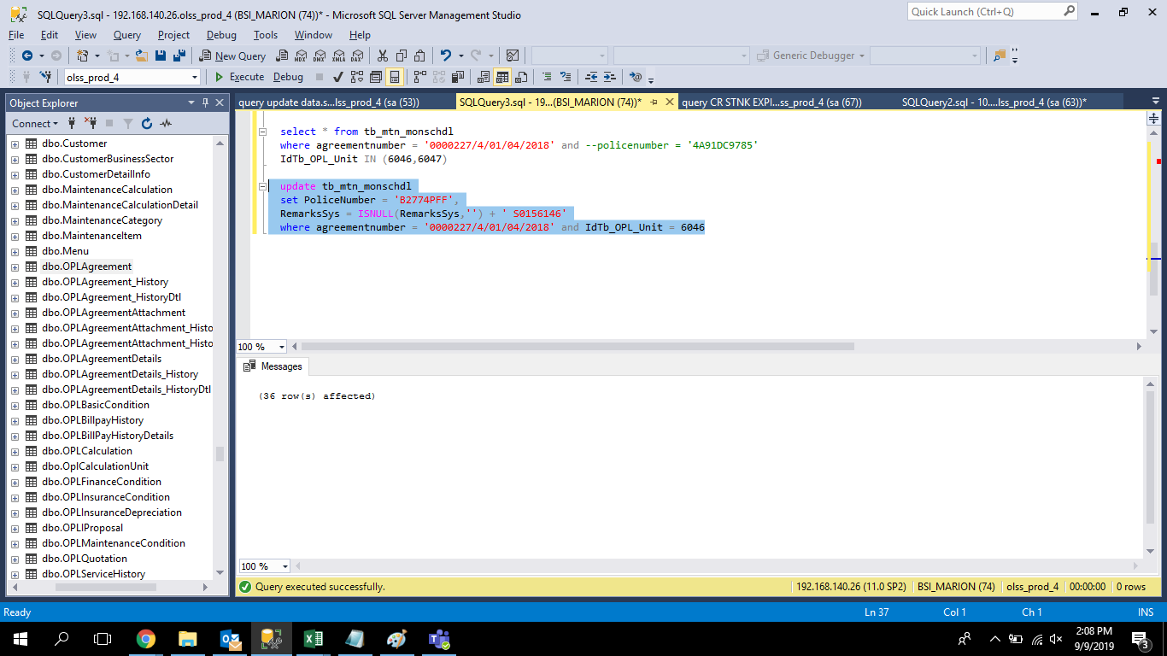
update tb_mtn_monschdl
set PoliceNumber = 'B2774PFF',
RemarksSys = ISNULL(RemarksSys,'') + ' S0156146'
where agreementnumber = '0000227/4/01/04/2018' and IdTb_OPL_Unit = 6046

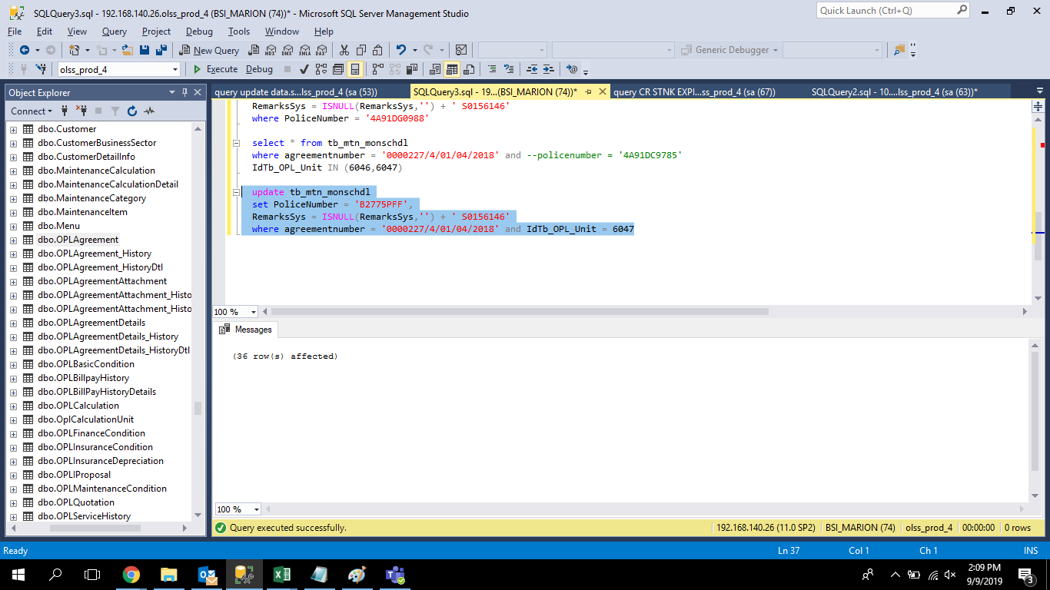
update tb_mtn_monschdl
set PoliceNumber = 'B2775PFF',
RemarksSys = ISNULL(RemarksSys,'') + ' S0156146'
where agreementnumber = '0000227/4/01/04/2018' and IdTb_OPL_Unit = 6047

Screenshot
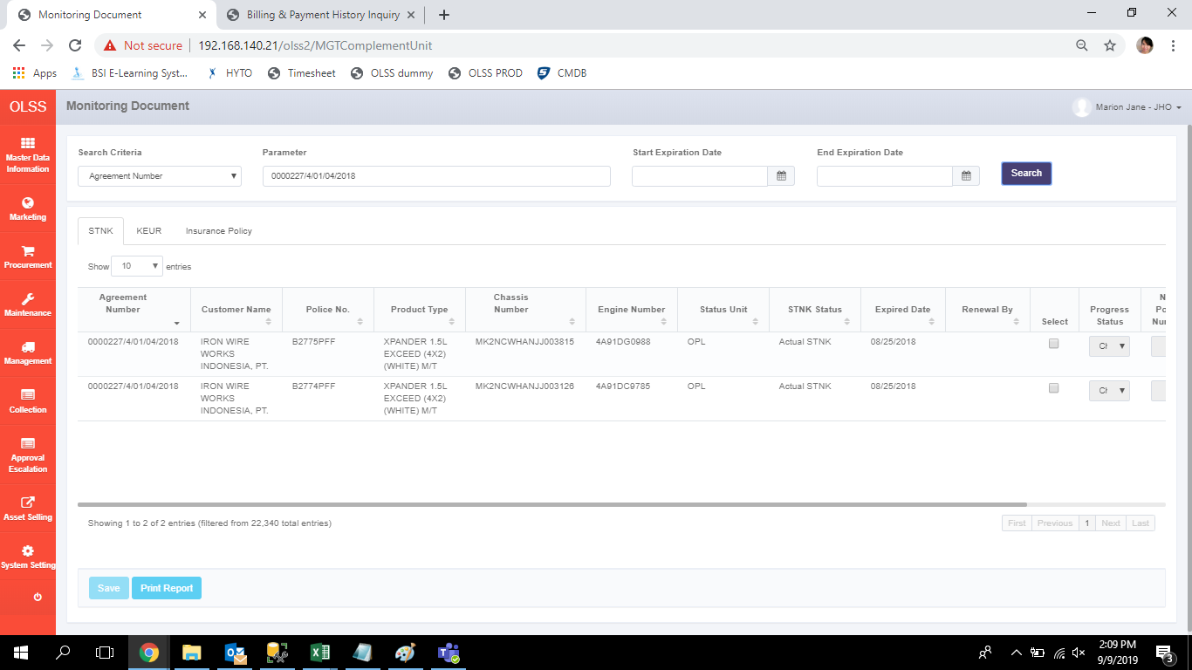
BEFORE
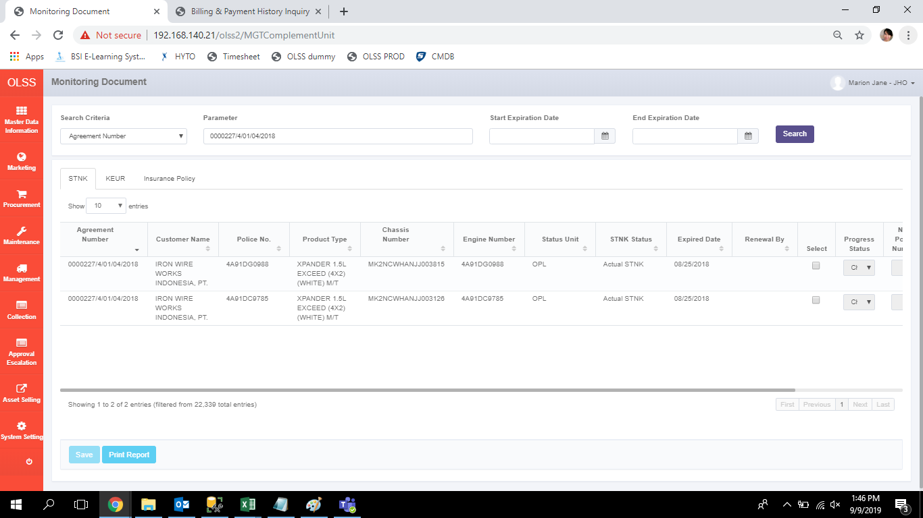

AFTER

